Heat Curves
File name | shell and tube heat exchanger.hsc
Unit Operation | E-01 Simple Design

Workflow
1. Open attached shell and tube heat exchanger.hsc file.
2. Click on the Datasheet button on the ribbon.
3. Select a server to connect, then connect to a workspace.
4. Go to Mapper tab, click on the hyperlink of E-01 Simple Design to open Object Mapping screen.
5. Select 'Shell and Tube Heat Exchanger' for the MapAs Column, and 'Create' for Workspace Object column.
6. Make sure the ports of valve are mapped automated.
7. Click on Close icon at the top right to close the Object Mapping screen.
8. Click Save Change and Transfer button.
9. Click on the Explorer tab, click on E-01 Simple Design in by Equipment view. Make sure all data are correctly.

Expected Results |  | Notes: Existing Defect CQ00770777 V10 [SM]-Hysys-HeatCurves: EnthalpyMoleBasis for HotSide and ColdSide are opposite

HeatCurves (CQ00747073)

Index Number | Ads Path (AdbHeatExchanger) | Attributes | ABE Class View | Hysys Value | Units

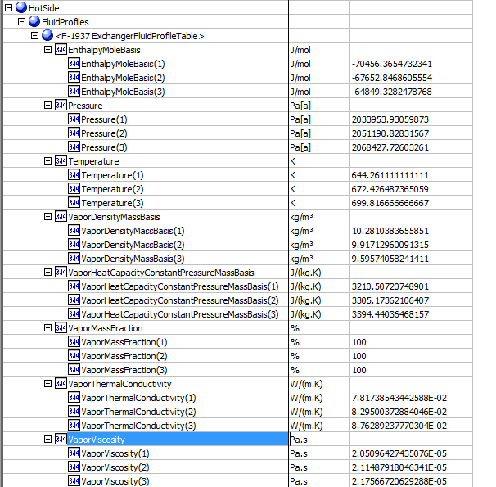
Hot Side |  |  |  |  |  | Hotside
32 | Hot.HeatCurves.Points.Temperature | temperature | HeatingCoolingCurve.Temperature
 |  | 1 | 1 | 644.26111111 | K
 |  | 2 | 2 | 672.42648737 | K
 |  | 3 | 3 | 699.81666667 | K
33 | Hot.HeatCurves.Points.Pressure | pressure | HeatingCoolingCurve.Pressure
 |  | 1 | 1 | 2033.9539 | kPa
 |  | 2 | 2 | 2051.1908 | kPa
 |  | 3 | 3 | 2068.4277 | kPa
62 | Hot.HeatCurves[].Points[].EnthalpyMoleBasis | EnthalpyMoleBasis | HeatingCoolingCurve.EnthalpyMoleBasis
 |  | 1 | 1 | -61293.5287 | kJ/kgmole
 |  | 2 | 2 | -58822.0502 | kJ/kgmole
 |  | 3 | 3 | -56350.5716 | kJ/kgmole
35 | Hot.HeatCurves[].Points[].Vapor.MassFraction | vapor mass fraction | HeatingCoolingCurve.VaporMassFraction
 |  | 1 | 1 | 1
 |  | 2 | 2 | 1
 |  | 3 | 3 | 1
36 | Hot.HeatCurves[].Points[].Vapor.MassDensity | vapor density | HeatingCoolingCurve.VaporDensityMassBasis
 |  | 1 | 1 | 10.281 | kg/m3
 |  | 2 | 2 | 9.9171 | kg/m3
 |  | 3 | 3 | 9.5957 | kg/m3
37 | Hot.HeatCurves[].Points[].Liquid.MassDensity | liquid density | HeatingCoolingCurve.LiquidDensityMassBasis
 |  | 1 | 1 | <empty> | kg/m3
 |  | 2 | 2 | <empty> | kg/m3
 |  | 3 | 3 | <empty> | kg/m3
38 | Hot.HeatCurves[].Points[].Vapor.Viscosity | vapor viscosity | HeatingCoolingCurve.VaporViscosity
 |  | 1 | 1 | 0.0205 | cP
 |  | 2 | 2 | 0.0211 | cP
 |  | 3 | 3 | 0.0218 | cP
39 | Hot.HeatCurves[].Points[].Liquid.Viscosity | liquid viscosity | HeatingCoolingCurve.LiquidViscosity
 |  | 1 | 1 | <empty> | cP
 |  | 2 | 2 | <empty> | cP
 |  | 3 | 3 | <empty> | cP
40 | Hot.HeatCurves[].Points[].Vapor.ThermalConductivity | vapor thermal conductivity | HeatingCoolingCurve.VaporThermalConductivity
 |  | 1 | 1 | 0.0782 | W/m-K
 |  | 2 | 2 | 0.083 | W/m-K
 |  | 3 | 3 | 0.0876 | W/m-K
41 | Hot.HeatCurves[].Points[].Liquid.ThermalConductivity | liquid thermal conductivity | HeatingCoolingCurve.LiquidThermalConductivity
 |  | 1 | 1 | <empty> | W/m-K
 |  | 2 | 2 | <empty> | W/m-K
 |  | 3 | 3 | <empty> | W/m-K
44 | Hot.HeatCurves[].Points[].Liquid.SurfaceTension | liquid surface tension | HeatingCoolingCurve.LiquidSurfaceTension
 |  | 1 | 1 | <empty> | dyne/cm
 |  | 2 | 2 | <empty> | dyne/cm
 |  | 3 | 3 | <empty> | dyne/cm
45 | Hot.HeatCurves[].Points[].Liquid.CriticalPressure | liquid critical pressure | HeatingCoolingCurve.LiquidCriticalPressure
 |  | 1 | 1 | <empty> | kPa
 |  | 2 | 2 | <empty> | kPa
 |  | 3 | 3 | <empty> | kPa
46 | Hot.HeatCurves[].Points[].Liquid.CriticalTemperature | liquid critical temperature | HeatingCoolingCurve.LiquidCriticalTemperature
 |  | 1 | 1 | <empty> | K
 |  | 2 | 2 | <empty> | K
 |  | 3 | 3 | <empty> | K

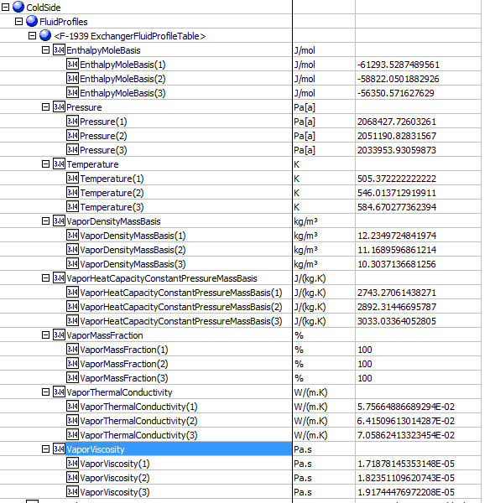
 |  |  |  |  |  | ColdSide
Cold Side
47 | Cold.HeatCurves.Points.Temperature | temperature(K) | HeatingCoolingCurve.Temperature (K)
 |  | 1 | 1 | 505.37222222 | K
 |  | 2 | 2 | 535.45685435 | K
 |  | 3 | 3 | 564.4209434 | K
48 | Cold.HeatCurves.Points.Pressure | pressure | HeatingCoolingCurve.Pressure
 |  | 1 | 1 | 2068.427726 | kPa
 |  | 2 | 2 | 2051.1908 | kPa
 |  | 3 | 3 | 2033.9539 | kPa
49 | Cold.HeatCurves[].Points[].EnthalpyMoleBasis | EnthalpyMoleBasis | HeatingCoolingCurve.EnthalpyMassBasis
 |  | 1 | 1 | -70456.365473 | kJ/kgmole
 |  | 2 | 2 | -67652.8469 | kJ/kgmole
 |  | 3 | 3 | -64849.3282 | kJ/kgmole
50 | Cold.HeatCurves[].Points[].Vapor.MassFraction | vapor mass fraction | HeatingCoolingCurve.VaporMassFraction
 |  | 1 | 1 | 1
 |  | 2 | 2 | 1
 |  | 3 | 3 | 1
51 | Cold.HeatCurves[].Points[].Vapor.MassDensity | vapor density | HeatingCoolingCurve.VaporDensityMassBasis
 |  | 1 | 1 | 12.234972484 | kg/m3
 |  | 2 | 2 | 11.472406839 | kg/m3
 |  | 3 | 3 | 10.823355222 | kg/m3
52 | Cold.HeatCurves[].Points[].Liquid.MassDensity | liquid density | HeatingCoolingCurve.LiquidDensityMassBasis
 |  | 1 | 1 | <empty> | kg/m3
 |  | 2 | 2 | <empty> | kg/m3
 |  | 3 | 3 | <empty> | kg/m3
53 | Cold.HeatCurves[].Points[].Vapor.Viscosity | vapor viscosity | HeatingCoolingCurve.VaporViscosity
 |  | 1 | 1 | 1.72E-05 | cP
 |  | 2 | 2 | 1.80E-05 | cP
 |  | 3 | 3 | 1.87E-05 | cP
54 | Cold.HeatCurves[].Points[].Liquid.Viscosity | liquid viscosity | HeatingCoolingCurve.LiquidViscosity
 |  | 1 | 1 | <empty> | cP
 |  | 2 | 2 | <empty> | cP
 |  | 3 | 3 | <empty> | cP
55 | Cold.HeatCurves[].Points[].Vapor.ThermalConductivity | vapor thermal conductivity | HeatingCoolingCurve.VaporThermalConductivity
 |  | 1 | 1 | 5.76E-02 | W/m-K
 |  | 2 | 2 | 6.24E-02 | W/m-K
 |  | 3 | 3 | 6.72E-02 | W/m-K
56 | Cold.HeatCurves[].Points[].Liquid.ThermalConductivity | liquid thermal conductivity | HeatingCoolingCurve.LiquidThermalConductivity
 |  | 1 | 1 | <empty> | W/m-K
 |  | 2 | 2 | <empty> | W/m-K
 |  | 3 | 3 | <empty> | W/m-K
59 | Cold.HeatCurves[].Points[].Liquid.SurfaceTension | liquid surface tension | HeatingCoolingCurve.LiquidSurfaceTension
 |  | 1 | 1 | <empty> | dyne/cm
 |  | 2 | 2 | <empty> | dyne/cm
 |  | 3 | 3 | <empty> | dyne/cm
60 | Cold.HeatCurves[].Points[].Liquid.CriticalPressure | liquid critical pressure | HeatingCoolingCurve.LiquidCriticalPressure
 |  | 1 | 1 | <empty> | kPa
 |  | 2 | 2 | <empty> | kPa
 |  | 3 | 3 | <empty> | kPa
61 | Cold.HeatCurves[].Points[].Liquid.CriticalTemperature | liquid critical temperature | HeatingCoolingCurve.LiquidCriticalTemperature
 |  | 1 | 1 | <empty> | K
 |  | 2 | 2 | <empty> | K
 |  | 3 | 3 | <empty> | K

